LP NAG to AG2
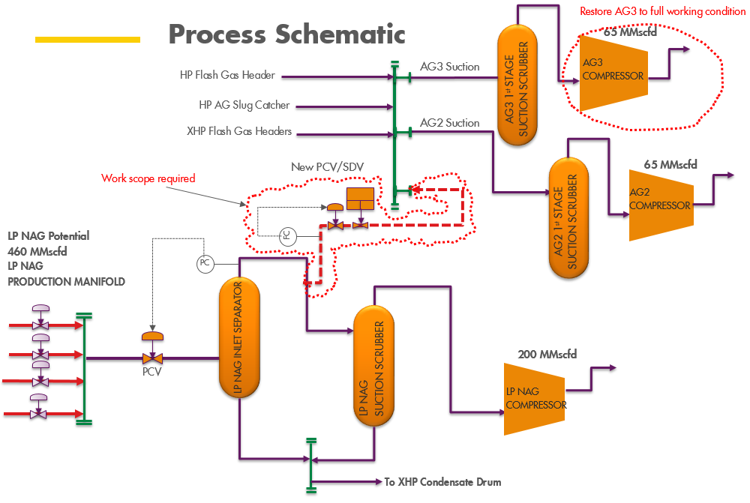
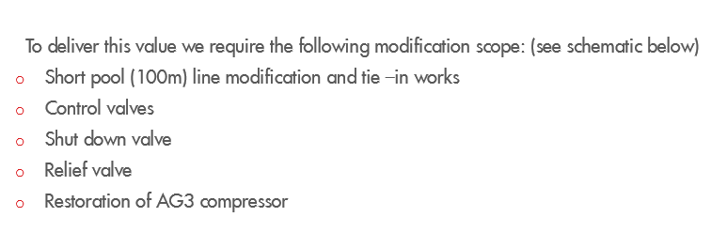
 | Routing of LP NAG to AG2

S/N | Equipment | Nos | Unit Cost, '000 | Total Cost, '000 | Assumption | assumed cost phasing
1 | 10" x 100m CS Pipeline/Piping | 1 | 29 | 29 | 2017 Cost premise (assumed 10" 600#) | 100% in one year
2 | Line pipe fittings including Control Valves/Shut Down Valves/Relief Valves |  |  | 15 | Assumed half of Piping/Pipeline cost
5 | Brownfield & Integration with Existing Facilities-assume 1% | 1 | 0.440 | 0
 | Total |  |  | 44

